Sheet1
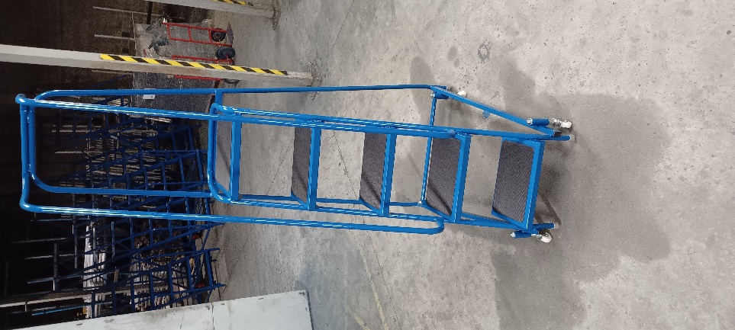
Materials of Construction
Main frame & back support frame: |  |  | 22mm round section zinced steel
Guard Rail: |  |  | 22mm round section zinced steel
Step/ Platform: |  |  | Pressed steel [2mm] with well recess and fitted with
 |  |  | anti-slip rubber mats.

Construction Method/Testing: |  |  | Fully welded unit
 |  |  | Static Tested to 250KG. S.W.L: 150KG [one person]
Specification
Platform area: |  |  | Standard size: 355mm x 280mm [WxD]
Step tread area: |  |  | Standard size: 355mm x 203mm [WxD]
Platform Cage: |  |  | Rising 660mm above platform deck

Build Specification:
 |  |  | Our range of mobile safety steps are built to EN131-7 standards but, as fully welded units, they do not
 |  |  | qualify for EN131-2 certification or CE identification.

Standard Equipment: |  |  |  |  |  |  |  | Painted

Handbrake: |  |  | Passive/Springloaded braking using 4 castors 75mm diameter
Rear frame:

Step/Platform surface: |  |  | rubber matting.

Step choices/ sizes [dimensions below shown in MM]:
Code: | Depth: | Width: |  | Height: | Platform Height: | Reach from Platform: | Footprint: | No. of treads: | Price: | Vat: | Total to pay:
STP2 | 600mm | 620mm |  | 1160mm | 500mm | 2000mm |  | 2
STP3 | 750mm | 620mm |  | 1410mm | 750mm | 2250mm |  | 3
STP4 | 900mm | 620mm |  | 1660mm | 1000mm | 2500mm |  | 4
STP5 | 1150mm | 620mm |  | 1910mm | 1250mm | 2750mm |  | 5

