Sheet1
Little Giant Velocity

Code: | L/giant 5 | L/giant 6
[as a]Step Ladder: Max Height | 2730 mm | 3320 mm
Step Ladder Min Height | 1600 mm | 1890 mm
[staight ladder] Max Height Extended | 5690 mm | 6900 mm
Min Height Extended | 2030 mm | 2600 mm
Folded Height (Storage) | 1680 mm | 1990 mm
Width At Base | 690 mm | 770 mm
Depth (Storage) | 210 mm | 210 mm
Stepladder Max Reach | 3830 mm | 4820 mm
Stepladder Max Reach Extended | 6730 mm | 7680 mm
Weight [KG] | 17.7 kg | 22.5 kg

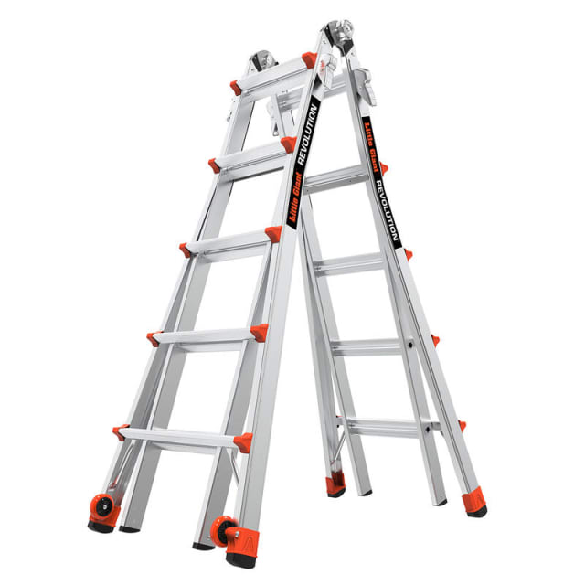
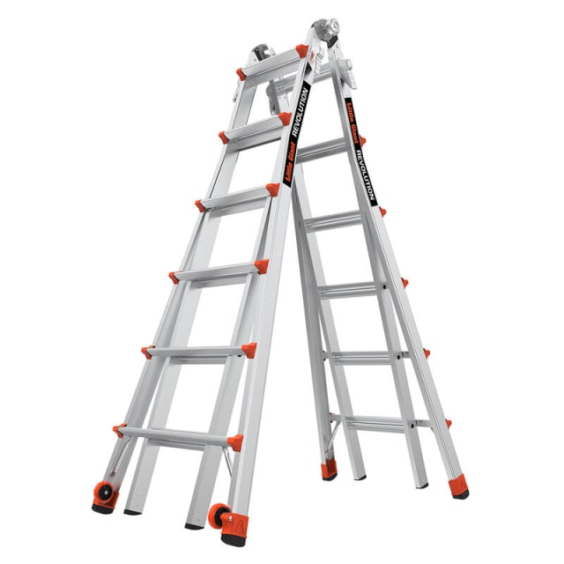

Features

Easy to use – The Little Giant Velocity is a lightweight, Waku Type, multi-function ladder with additional features to make set up and folding easy. To adjust the height of the ladder, simply twist the spring-loaded Rapid-Locks® adjusters and move the inner section to the height you require. Moving the ladder from place to place is easy: tip the ladder on its wheels and roll it with the Tip & Glide™ wheels.
Multi-position Ladder – The Little Giant Velocity is the ladder that helps you work with your needs easily. Set up the ladder in different configurations that suit your project. Every component is safe & reliable.
Conformity & Certification – The Little Giant Velocity exceeds all EN131-4:2020 standards, and is rated to 150kg work load capacity

150kg Work Load Capacity
EN131-4

Market position: Waku is no. 1/ Little Giant is no. 2

