Sheet1
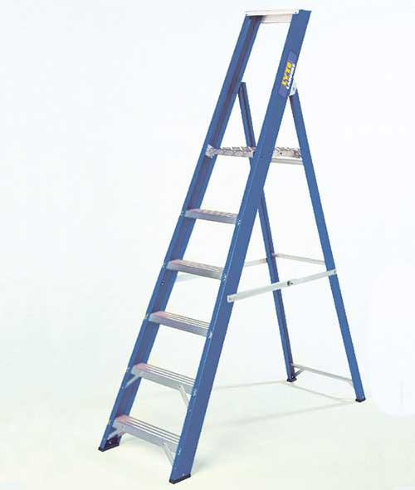
Glassfibre platform Steps
Electicity Safe

Order Code | Overall Open Height (m) | Overall Open Height (ft) | Platform Height (m) | Platform Height (ft) | Closed Height (m) | Closed Height (ft) | Treads | Weight
 |  |  |  |  |  |  |  | (kg)
NGF3 | 1.23 | 4.03 | 0.59 | 1.93 | 1.33 | 4.36 | 3 | 5.8
NGF4 | 1.44 | 4.72 | 0.82 | 2.69 | 1.56 | 5.12 | 4 | 6.7
NGF5 | 1.67 | 5.48 | 1.04 | 3.41 | 1.8 | 5.9 | 5 | 7.8
NGF6 | 1.89 | 6.2 | 1.26 | 4.13 | 2.04 | 6.69 | 6 | 8.8
NGF7 | 2.1 | 6.89 | 1.48 | 4.85 | 2.27 | 7.45 | 7 | 9.6
NGF8 | 2.31 | 7.58 | 1.69 | 5.54 | 2.51 | 8.23 | 8 | 10.7
NGF10 | 2.73 | 8.96 | 2.11 | 6.92 | 3 | 9.84 | 10 | 13.6
NGF12 | 3.17 | 10.4 | 2.56 | 8.4 | 3.47 | 11.38 | 12 | 15.5

